Sheet1
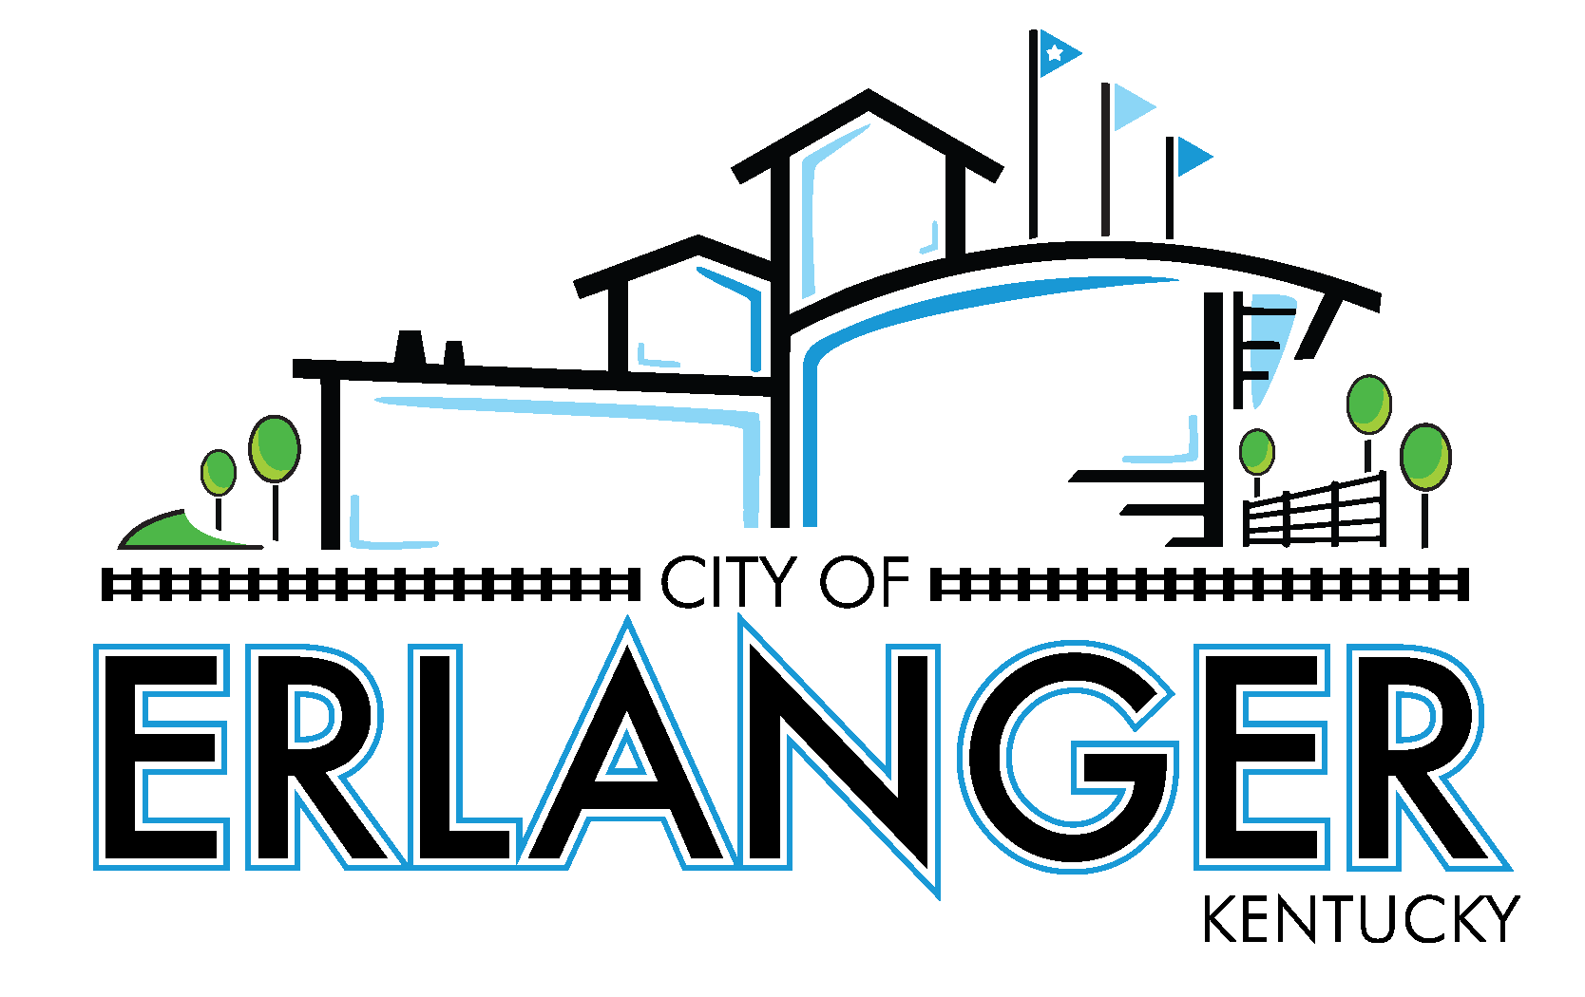
City of Erlanger
Revenue & Expense Statement & Prior Year Comparison - All Funds
For The Period Ending April 30, 2026
(UNAUDITED)

 |  | Year to Date Actual | 2025-2026 Budget |  | % of Budget Used
 |  |  |  | Budget Remaining
 | GENERAL FUND REVENUES
 | General Revenue
 | Property Taxes | 4,589,661.35 | 4,638,608.00 | 48,946.65 | 98.94%
 | Licenses and Permits | 7,647,204.88 | 14,085,536.00 | 6,438,331.12 | 54.29%
 | Intergovernmental | 877,971.60 | 1,032,433.00 | 154,461.40 | 85.04%
 | Uses of Property | 41,849.98 | 38,678.00 | (3,171.98) | 108.20%
 | Charges for Service | 1,010,113.22 | 983,507.00 | (26,606.22) | 102.71%
 | Fines & Forfeitures | 53,244.22 | 30,409.00 | (22,835.22) | 175.09%
 | Interest | 640,492.05 | 675,000.00 | 34,507.95 | 94.89%
 | Miscellaneous | 206,442.68 | 10,000.00 | (196,442.68) | 2064.43%
 | Transfer In | - | - | - | 0.00%

 | TOTAL GENERAL FUND REVENUE | 15,066,979.98 | 21,494,171.00 | 6,427,191.02

 | GENERAL FUND EXPENDITURES
 | Account Group
 | Payroll | 7,721,780.80 | 10,314,979.17 | 2,593,198.37 | 74.86%
 | Fringe Benefits | 4,664,145.66 | 6,415,095.00 | 1,750,949.34 | 72.71%
 | Contractual Services | 2,287,013.58 | 2,573,538.83 | 286,525.25 | 88.87%
 | Material & Supplies | 652,104.83 | 912,381.00 | 260,276.17 | 71.47%
 | Communications | 100,047.56 | 144,000.00 | 43,952.44 | 69.48%
 | Utilities | 313,617.75 | 346,744.00 | 33,126.25 | 90.45%
 | Sundry Expenses | 316,750.72 | 458,857.00 | 142,106.28 | 69.03%
 | Public Awareness Spec Events | 28,957.42 | 69,307.00 | 40,349.58 | 41.78%
 | Debt Service | - | - | - | 0.00%
 | Transfers and Other Uses | 404,575.50 | 809,151.00 | 404,575.50 | 50.00%

 | TOTAL GENERAL FUND EXPENDITURES | 16,488,993.82 | 22,044,053.00 | $5,555,059

 | GENERAL FUND EXPENDITURES
 | Department
 | General Government | 2,489,448.53 | 3,065,616.00 | 576,167.47 | 81.21%
 | IT | 328,561.72 | 423,269.00 | 94,707.28 | 77.62%
 | Police | 6,038,483.19 | 8,233,532.00 | 2,195,048.81 | 73.34%
 | Fire | 4,673,426.71 | 6,092,295.00 | 1,418,868.29 | 76.71%
 | Public Works | 2,554,498.17 | 3,420,190.00 | 865,691.83 | 74.69%
 | Debt Service | - | - | - | 0.00%
 | Transfers out | 404,575.50 | 809,151.00 | 404,575.50 | 50.00%

 | TOTAL GENERAL FUND EXPENDITURES | 16,488,993.82 | 22,044,053.00 | 5,555,059

 | REV OVER <UNDER> EXP | (1,422,013.84) | (549,882.00) | 872,132

 |  | Year to Date Actual | 2025-2026 Budget |  | % of Budget Used
 |  |  |  | Budget Remaining
 | EMPLOYEE HEALTH FUND
 | Employee Health Fund Revenues | 1,605,506.64 | 2,200,000.00 | 594,493.36 | 72.98%
 | Employee Health Fund Expenditures | 1,862,428.60 | 2,200,000.00 | 337,571.40 | 84.66%

 | REV OVER <UNDER> EXP | (256,921.96) | - | 256,921.96

 | CAPITAL ASSETS FUND
 | Capital Assets Fund Revenues | 2,479,383.64 | 5,532,373.00 | 3,052,989.36 | 44.82%
 | Capital Assets Fund Expenditures | 1,349,505.24 | 6,365,120.00 | 5,015,614.76 | 21.20%

 | REV OVER <UNDER> EXP | 1,129,878.40 | (832,747.00) | (1,962,625.40)

 | POLICE SEIZURE FUND
 | Police Seizure Fund Revenues | 35,445.93 | 2,000.00 | (33,445.93) | 1772.30%
 | Police Seizure Fund Expenditures | 71,124.90 | 80,000.00 | 8,875.10 | 88.91%

 | REV OVER <UNDER> EXP | (35,678.97) | (78,000.00) | (42,321.03)

 | PARK IMPROVEMENT FUND
 | Park Improvement Fund Revenues | 1,192,113.85 | 1,309,151.00 | 117,037.15 | 91.06%
 | Park Improvement Fund Expenditures | 1,091,823.47 | 2,146,000.00 | 1,054,176.53 | 50.88%

 | REV OVER <UNDER> EXP | 100,290.38 | (836,849.00) | (937,139.38)

 | TIF FUND
 | TIF Fund Revenues | 199,967.11 | 397,517.00 | 197,549.89 | 50.30%
 | TIF Fund Expenditures | 399,934.21 | 397,517.00 | (2,417.21) | 100.61%

 | REV OVER <UNDER> EXP | (199,967.10) | - | 199,967.10

