Sheet1
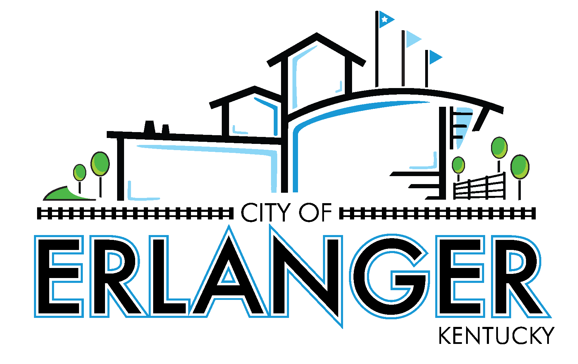
City of Erlanger
Revenue & Expense Statement & Prior Year Comparison - All Funds
For The Period Ending February 28, 2026
(UNAUDITED)

 |  | Year to Date Actual | 2025-2026 Budget |  | % of Budget Used
 |  |  |  | Budget Remaining
 | GENERAL FUND REVENUES
 | General Revenue
 | Property Taxes | 4,429,510.40 | 4,638,608.00 | 209,097.60 | 95.49%
 | Licenses and Permits | 6,409,111.19 | 14,085,536.00 | 7,676,424.81 | 45.50%
 | Intergovernmental | 744,161.69 | 1,032,433.00 | 288,271.31 | 72.08%
 | Uses of Property | 32,638.48 | 38,678.00 | 6,039.52 | 84.39%
 | Charges for Service | 671,696.28 | 983,507.00 | 311,810.72 | 68.30%
 | Fines & Forfeitures | 43,125.77 | 30,409.00 | (12,716.77) | 141.82%
 | Interest | 458,849.70 | 675,000.00 | 216,150.30 | 67.98%
 | Miscellaneous | 80,971.26 | 10,000.00 | (70,971.26) | 809.71%
 | Transfer In | - | - | - | 0.00%

 | TOTAL GENERAL FUND REVENUE | 12,870,064.77 | 21,494,171.00 | 8,624,106.23

 | GENERAL FUND EXPENDITURES
 | Account Group
 | Payroll | 6,226,550.99 | 10,336,648.00 | 4,110,097.01 | 60.24%
 | Fringe Benefits | 3,495,396.34 | 6,415,095.00 | 2,919,698.66 | 54.49%
 | Contractual Services | 1,947,024.08 | 2,551,870.00 | 604,845.92 | 76.30%
 | Material & Supplies | 483,511.60 | 912,381.00 | 428,869.40 | 52.99%
 | Communications | 72,185.92 | 144,000.00 | 71,814.08 | 50.13%
 | Utilities | 212,027.83 | 346,744.00 | 134,716.17 | 61.15%
 | Sundry Expenses | 254,174.69 | 458,857.00 | 204,682.31 | 55.39%
 | Public Awareness Spec Events | 22,453.63 | 69,307.00 | 46,853.37 | 32.40%
 | Debt Service | - | - | - | 0.00%
 | Transfers and Other Uses | 404,575.50 | 809,151.00 | 404,575.50 | 50.00%

 | TOTAL GENERAL FUND EXPENDITURES | 13,117,900.58 | 22,044,053.00 | $8,926,152

 | GENERAL FUND EXPENDITURES
 | Department
 | General Government | 2,070,580.01 | 3,065,616.00 | 995,035.99 | 67.54%
 | IT | 271,352.74 | 423,269.00 | 151,916.26 | 64.11%
 | Police | 4,716,493.52 | 8,233,532.00 | 3,517,038.48 | 57.28%
 | Fire | 3,644,751.06 | 6,092,295.00 | 2,447,543.94 | 59.83%
 | Public Works | 2,010,147.75 | 3,420,190.00 | 1,410,042.25 | 58.77%
 | Debt Service | - | - | - | 0.00%
 | Transfers out | 404,575.50 | 809,151.00 | 404,575.50 | 50.00%

 | TOTAL GENERAL FUND EXPENDITURES | 13,117,900.58 | 22,044,053.00 | 8,926,152

 | REV OVER <UNDER> EXP | (247,835.81) | (549,882.00) | (302,046)

 |  | Year to Date Actual | 2025-2026 Budget |  | % of Budget Used
 |  |  |  | Budget Remaining
 | EMPLOYEE HEALTH FUND
 | Employee Health Fund Revenues | 1,004,523.08 | 2,200,000.00 | 1,195,476.92 | 45.66%
 | Employee Health Fund Expenditures | 1,211,815.49 | 2,200,000.00 | 988,184.51 | 55.08%

 | REV OVER <UNDER> EXP | (207,292.41) | - | 207,292.41

 | CAPITAL ASSETS FUND
 | Capital Assets Fund Revenues | 2,044,032.27 | 5,532,373.00 | 3,488,340.73 | 36.95%
 | Capital Assets Fund Expenditures | 1,076,733.08 | 6,365,120.00 | 5,288,386.92 | 16.92%

 | REV OVER <UNDER> EXP | 967,299.19 | (832,747.00) | (1,800,046.19)

 | POLICE SEIZURE FUND
 | Police Seizure Fund Revenues | 35,445.93 | 2,000.00 | (33,445.93) | 1772.30%
 | Police Seizure Fund Expenditures | 67,303.15 | 80,000.00 | 12,696.85 | 84.13%

 | REV OVER <UNDER> EXP | (31,857.22) | (78,000.00) | (46,142.78)

 | PARK IMPROVEMENT FUND
 | Park Improvement Fund Revenues | 939,413.85 | 1,309,151.00 | 369,737.15 | 71.76%
 | Park Improvement Fund Expenditures | 647,150.67 | 2,146,000.00 | 1,498,849.33 | 30.16%

 | REV OVER <UNDER> EXP | 292,263.18 | (836,849.00) | (1,129,112.18)

 | TIF FUND
 | TIF Fund Revenues | 199,967.11 | 397,517.00 | 197,549.89 | 50.30%
 | TIF Fund Expenditures | 399,934.21 | 397,517.00 | (2,417.21) | 100.61%

 | REV OVER <UNDER> EXP | (199,967.10) | - | 199,967.10

