Sheet1
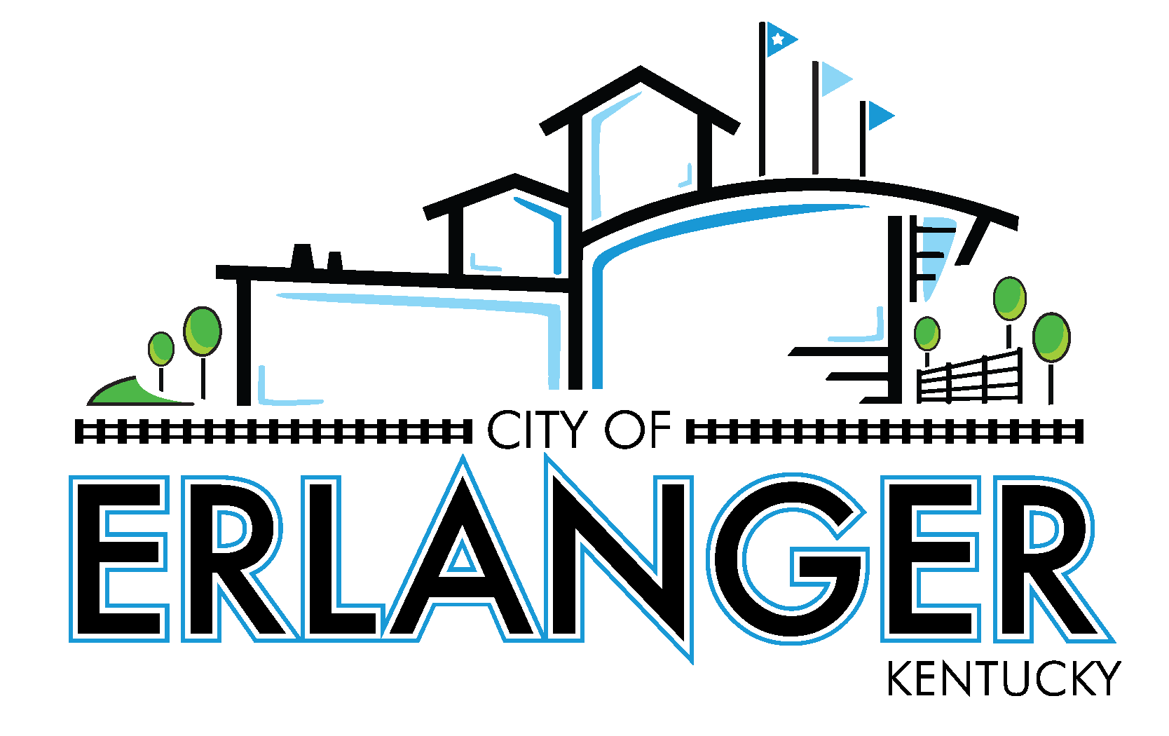
City of Erlanger
Revenue & Expense Statement & Prior Year Comparison - All Funds
For The Period Ending May 31, 2026
(UNAUDITED)

 |  | Year to Date Actual | 2025-2026 Budget |  | % of Budget Used
 |  |  |  | Budget Remaining
 | GENERAL FUND REVENUES
 | General Revenue
 | Property Taxes | 4,698,488.48 | 4,638,608.00 | (59,880.48) | 101.29%
 | Licenses and Permits | 10,944,551.58 | 14,085,536.00 | 3,140,984.42 | 77.70%
 | Intergovernmental | 919,951.22 | 1,032,433.00 | 112,481.78 | 89.11%
 | Uses of Property | 46,021.98 | 38,678.00 | (7,343.98) | 118.99%
 | Charges for Service | 1,119,736.44 | 983,507.00 | (136,229.44) | 113.85%
 | Fines & Forfeitures | 57,740.78 | 30,409.00 | (27,331.78) | 189.88%
 | Interest | 692,819.26 | 675,000.00 | (17,819.26) | 102.64%
 | Miscellaneous | 257,733.31 | 10,000.00 | (247,733.31) | 2577.33%
 | Transfer In | - | - | - | 0.00%

 | TOTAL GENERAL FUND REVENUE | 18,737,043.05 | 21,494,171.00 | 2,757,127.95

 | GENERAL FUND EXPENDITURES
 | Account Group
 | Payroll | 8,450,064.03 | 10,314,979.17 | 1,864,915.14 | 81.92%
 | Fringe Benefits | 5,134,606.17 | 6,415,095.00 | 1,280,488.83 | 80.04%
 | Contractual Services | 2,509,262.48 | 2,573,538.83 | 64,276.35 | 97.50%
 | Material & Supplies | 763,931.88 | 912,381.00 | 148,449.12 | 83.73%
 | Communications | 110,084.84 | 144,000.00 | 33,915.16 | 76.45%
 | Utilities | 343,356.02 | 346,744.00 | 3,387.98 | 99.02%
 | Sundry Expenses | 336,543.63 | 458,857.00 | 122,313.37 | 73.34%
 | Public Awareness Spec Events | 75,205.86 | 69,307.00 | (5,898.86) | 108.51%
 | Debt Service | - | - | - | 0.00%
 | Transfers and Other Uses | 404,575.50 | 809,151.00 | 404,575.50 | 50.00%

 | TOTAL GENERAL FUND EXPENDITURES | 18,127,630.41 | 22,044,053.00 | $3,916,423

 | GENERAL FUND EXPENDITURES
 | Department
 | General Government | 2,745,007.52 | 3,065,616.00 | 320,608.48 | 89.54%
 | IT | 352,203.08 | 423,269.00 | 71,065.92 | 83.21%
 | Police | 6,652,922.96 | 8,233,532.00 | 1,580,609.04 | 80.80%
 | Fire | 5,090,054.66 | 6,092,295.00 | 1,002,240.34 | 83.55%
 | Public Works | 2,882,866.69 | 3,420,190.00 | 537,323.31 | 84.29%
 | Debt Service | - | - | - | 0.00%
 | Transfers out | 404,575.50 | 809,151.00 | 404,575.50 | 50.00%

 | TOTAL GENERAL FUND EXPENDITURES | 18,127,630.41 | 22,044,053.00 | 3,916,423

 | REV OVER <UNDER> EXP | 609,412.64 | (549,882.00) | (1,159,295)

 |  | Year to Date Actual | 2025-2026 Budget |  | % of Budget Used
 |  |  |  | Budget Remaining
 | EMPLOYEE HEALTH FUND
 | Employee Health Fund Revenues | 1,806,000.72 | 2,200,000.00 | 393,999.28 | 82.09%
 | Employee Health Fund Expenditures | 2,178,161.74 | 2,200,000.00 | 21,838.26 | 99.01%

 | REV OVER <UNDER> EXP | (372,161.02) | - | 372,161.02

 | CAPITAL ASSETS FUND
 | Capital Assets Fund Revenues | 3,011,707.27 | 5,532,373.00 | 2,520,665.73 | 54.44%
 | Capital Assets Fund Expenditures | 1,798,542.72 | 6,365,120.00 | 4,566,577.28 | 28.26%

 | REV OVER <UNDER> EXP | 1,213,164.55 | (832,747.00) | (2,045,911.55)

 | POLICE SEIZURE FUND
 | Police Seizure Fund Revenues | 36,553.53 | 2,000.00 | (34,553.53) | 1827.68%
 | Police Seizure Fund Expenditures | 74,727.33 | 80,000.00 | 5,272.67 | 93.41%

 | REV OVER <UNDER> EXP | (38,173.80) | (78,000.00) | (39,826.20)

 | PARK IMPROVEMENT FUND
 | Park Improvement Fund Revenues | 1,192,113.85 | 1,309,151.00 | 117,037.15 | 91.06%
 | Park Improvement Fund Expenditures | 1,271,311.21 | 2,146,000.00 | 874,688.79 | 59.24%

 | REV OVER <UNDER> EXP | (79,197.36) | (836,849.00) | (757,651.64)

 | TIF FUND
 | TIF Fund Revenues | 199,967.11 | 397,517.00 | 197,549.89 | 50.30%
 | TIF Fund Expenditures | 399,934.21 | 397,517.00 | (2,417.21) | 100.61%

 | REV OVER <UNDER> EXP | (199,967.10) | - | 199,967.10

